Notes
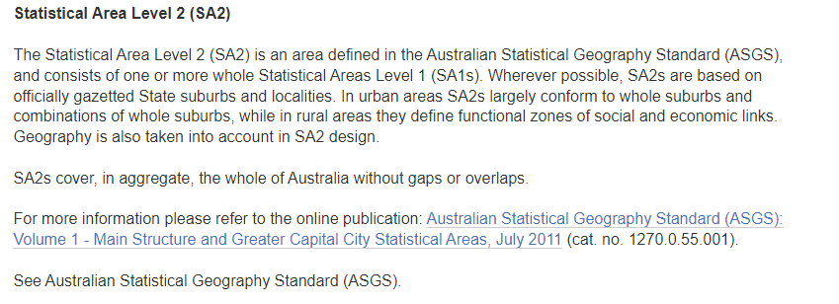
Date: | 2023-07-10
By: | Kath Tamas
Purpose: | Population Data By Suburb in Melbourne
Source: | ABS Website
 | https://explore.data.abs.gov.au/?fs[0]=People%2C0%7CPopulation%23POPULATION%23&fs[1]=Region%20Type%2C0%7CStates%20and%20Territories%23STE%23&pg=0&fc=Region%20Type

